Trouble
Step 1
To step 2
 | List up all trouble contents

< Purpose > For list up trouble that collect data by MDAS, at first list up machine all trouble.
< Procedure >
1. Open device comment, then copy trouble device and paste to J12 cell.
2. Copy trouble device comment and paste to K12 cell.
< Advice of list up trouble >
- Search "abnormal" or "trouble", "error" by find character string |  |  | iamw20-1 (25-jan-2019)
- Confirm device No. from touch panel alarm setting

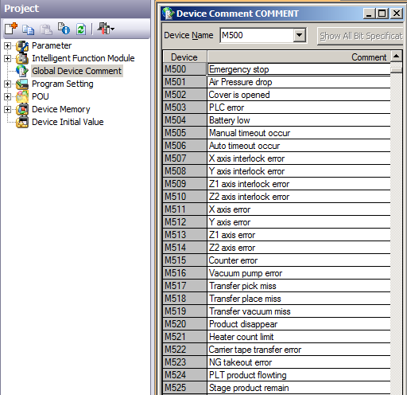
①
②
 |  | 1. Device
 |  | m0 | Emergency stop switch on | 1
 |  | m1 | Safty cover open | 2
 |  | m2 | Air pressure1 low | 3
 |  | m3 | Air pressure2 low | 4
 |  | m5 | PLC error | 5
 |  | m6 | Weld head abnormal | 6
 |  | m10 | Robot emergency stop | 7
 |  | m11 | Robot error | 8
 |  | m12 | Robot cycle time over | 9
 |  | m20 | Stage sensor error | 10
 |  | m21 | Stage down time over | 11
 |  | m22 | Stage up time over | 12
 |  | m30 | Welding machine trouble | 13
 |  | m31 | Welding counter completed | 14
 |  | m96 | Safety cover open | 15
 |  | m97 | PLC battery warning | 16
 |  | m99 | Servo off warning | 17
 |  | m102 | Robot ready off | 18
 |  | m103 | Not home | 19
 |  | m105 | Welding machine ready off | 20
 |  |  |  | 21
 |  |  |  | 22
 |  |  |  | 23
 |  |  |  | 24
 |  |  |  | 25
 |  |  |  | 26
 |  |  |  | 27
< Confirmation > |  |  |  | 28
 | Did you list all troubles ? |  |  | 29
 | Is Device No. and comment is match ? |  |  | 30
 |  |  |  | 31
 |  |  |  | 32
 |  |  |  | 33
 |  |  |  | 34
 |  |  |  | 35
 |  |  |  | 36
 |  |  |  | 37
 |  |  |  | 38
 |  |  |  | 39
 |  |  |  | 40
 |  |  |  | 41
 |  |  |  | 42
 |  |  |  | 43
 |  |  |  | 44
 |  |  |  | 45
 |  |  |  | 46
 |  |  |  | 47
 |  |  |  | 48

 |  | M599

Monitor trouble
Step 2
To step 1
To step 3
 | List up trouble contents that get by MDAS

< Purpose > List up trouble contents that get by MDAS, and use it for trouble comment of MDAS tool and PLC program making.
< Procedure>
1. Delete line from below table that no need to get by MDAS.
2. MDAS can get trouble item maximum 150, so please make less than it.
3. Please try to keep comment length with in below cell width
*This comment will reflect to monthly report, so if too long, dificult to see it.
< Advice of list up trouble contents >
- Don’t get some trouble that machine will not stop (Operation instruction, alert).
- Don’t get some trouble that can't countermeasure or occurrence is low frequency (PLC error etc…).
< Confirmation >
 | Is trouble contents less than 150 item ?
 | Is comment length is not too long ?

Device | Comment | 21 | <- No. of trouble item (If more than 150, change to red color)
m0 | Emergency stop switch on
m1 | Safty cover open
m2 | Air pressure1 low
m3 | Air pressure2 low
m5 | PLC error
m6 | Weld head abnormal
m10 | Robot emergency stop
m11 | Robot error
m12 | Robot cycle time over
m20 | Stage sensor error
m21 | Stage down time over
m22 | Stage up time over
m30 | Welding machine trouble
m31 | Welding counter completed
m96 | Safety cover open
m97 | PLC battery warning
m99 | Servo off warning
m102 | Robot ready off
m103 | Not home
m105 | Welding machine ready off
0
0 | 0
0 | 0
0 | 0
0 | 0
0 | 0
0 | 0
0 | 0
0 | 0
0 | 0
0 | 0
0 | 0
0 | 0
0 | 0
0 | 0
0 | 0
0 | 0
0 | 0
0 | 0
0 | 0
0 | 0
0 | 0
0 | 0
0 | 0
0 | 0
0 | 0
0 | 0
0 | 0
0 | 0
0 | 0
0 | 0
0 | 0
0 | 0
0 | 0
0 | 0
0 | 0
0 | 0
0 | 0
0 | 0
0 | 0
0 | 0
0 | 0
0 | 0
0 | 0
0 | 0
0 | 0
0 | 0
0 | 0
0 | 0
0 | 0
0 | 0
0 | 0
0 | 0
0 | 0
0 | 0
0 | 0
0 | 0
0 | 0
0 | 0
0 | 0
0 | 0
0 | 0
0 | 0
0 | 0
0 | 0
0 | 0
0 | 0
0 | 0
0 | 0
0 | 0
0 | 0
0 | 0
0 | 0
0 | 0
0 | 0
0 | 0
0 | 0
0 | 0
0 | 0
0 | 0
0 | 0
0 | 0
0 | 0
0 | 0
0 | 0
0 | 0
0 | 0
0 | 0
0 | 0
0 | 0
0 | 0
0 | 0
0 | 0
0 | 0
0 | 0
0 | 0
0 | 0
0 | 0
0 | 0
0 | 0
0 | 0
0 | 0
0 | 0
0 | 0
0 | 0
0 | 0
0 | 0
0 | 0
0 | 0
0 | 0
0 | 0
0 | 0
0 | 0
0 | 0
0 | 0
0 | 0
0 | 0
0 | 0
0 | 0
0 | 0
0 | 0
0 | 0
0 | 0
0 | 0
0 | 0
0 | 0
0 | 0
0 | 0
0 | 0
0 | 0
0 | 0
0 | 0
0 | 0
0 | 0
0 | 0
0 | 0
0 | 0
0 | 0
0 | 0
0 | 0
0 | 0
0 | 0
0 | 0
0 | 0
0 | 0
0 | 0
0 | 0
0 | 0
0 | 0
0 | 0
0 | 0
0 | 0
0 | 0
0 | 0
0 | 0
0 | 0
0 | 0
0 | 0
0 | 0
0 | 0
0 | 0
0 | 0
0 | 0
0 | 0
0 | 0
0 | 0
0 | 0
0 | 0
0 | 0
0 | 0
0 | 0
0 | 0
0 | 0
0 | 0
0 | 0
0 | 0
0 | 0
0 | 0
0 | 0
0 | 0
0 | 0
0 | 0
0 | 0
0 | 0
0 | 0
0 | 0
0 | 0
0 | 0
0 | 0
0 | 0
0 | 0
0 | 0
0 | 0
0 | 0
0 | 0
0 | 0
0 | 0
0 | 0
0 | 0
0 | 0
0 | 0
0 | 0
0 | 0
0 | 0
0 | 0
0 | 0
0 | 0
0 | 0
0 | 0
0 | 0
0 | 0
0 | 0
0 | 0
0 | 0
0 | 0
0 | 0
0 | 0
0 | 0
0 | 0
0 | 0
0 | 0
0 | 0
0 | 0
0 | 0
0 | 0
0 | 0
0 | 0
0 | 0
0 | 0
0 | 0
0 | 0
0 | 0
0 | 0
0 | 0
0 | 0
0 | 0
0 | 0
0 | 0
0 | 0
0 | 0
0 | 0
0 | 0
0 | 0
0 | 0
0 | 0
0 | 0
0 | 0
0 | 0
0 | 0
0 | 0
0 | 0
0 | 0
0 | 0
0 | 0
0 | 0
0 | 0
0 | 0
0 | 0
0 | 0
0 | 0
0 | 0
0 | 0
0 | 0
0 | 0
0 | 0
0 | 0
0 | 0
0 | 0
0 | 0
0 | 0
0 | 0
0 | 0
0 | 0
0 | 0
0 | 0
0 | 0
0 | 0
0 | 0
0 | 0
0 | 0
0 | 0
0 | 0
0 | 0
0 | 0
0 | 0
0 | 0
0 | 0
0 | 0
0 | 0
0 | 0
0 | 0
0 | 0
0 | 0
0 | 0
0 | 0
0 | 0
0 | 0
0 | 0
0 | 0
0 | 0
0 | 0
0 | 0
0 | 0
0 | 0
0 | 0
0 | 0
0 | 0
0 | 0
0 | 0
0 | 0
0 | 0
0 | 0
0 | 0
0 | 0
0 | 0
0 | 0
0 | 0
0 | 0
0 | 0
0 | 0
0 | 0
0 | 0
0 | 0
0 | 0
0 | 0
0 | 0
0 | 0
0 | 0
0 | 0
0 | 0
0 | 0
0 | 0
0 | 0
0 | 0
0 | 0
0 | 0
0 | 0
0 | 0
0 | 0
0 | 0
0 | 0
0 | 0
0 | 0
0 | 0
0 | 0
0 | 0
0 | 0
0 | 0
0 | 0
0 | 0
0 | 0
0 | 0
0 | 0
0 | 0
0 | 0
0 | 0
0 | 0
0 | 0
0 | 0
0 | 0
0 | 0
0 | 0
0 | 0
0 | 0
0 | 0
0 | 0
0 | 0
0 | 0
0 | 0
0 | 0
0 | 0
0 | 0
0 | 0
0 | 0

Device
Step 3
To step 1
To step 2
 |  | List up Necessary device for MDAS
 |  |  |  |  |  |  | ○ | #REF! | 4
 | < Purpose > List up device make for MDAS lader program.
 | < Procedure > |  |  |  |  |  | ×
 | 1. Input use device for MDAS ladder program at below "Use device" low.
 | If sample device is same with use device, select "○", if not same, input first device for use.

 |  |  |  | Check empty | Change Empty
 | Q sample | E10 Use device | No. of use | iamw20-1
 | M7632 | B700 | 256B | ok | ok | If hexadecimal, lower 1 digit shold 0, if decimal number, set numbers divisible by 16.
 | D8000 | D8400 | 190W | ok | ok | Need latch
 | M7984 | L4000 | 10B | L1000 | ok
 | M7600 | ○ | 30B | ok | ok
 | D8190 | ○ | 10W | ok | ok
 | T1000 | T1400 | 20B | ok | ok | 100ms timer
 | D8200 | ○ | 100W | ok | ok | Need latch
 | D8300 | ○ | 100W | ok | ok | Need latch
 | M7888 | B8A0 | 96B | ok | ok

 | < Confirmation >
 |  | Is all use device input complete ?

 | 2. Input machine device that use for MMDAS program at below yellow color cell.
 | If machine don’t have some device, select "×".

 | PLC sample program |  | Machine iama40-1 PLC program
 | Device | Comment | Device | Comment |  | < Advice of device list up >
ok | m31 | Auto state | m204 | Automatic mode | ok | - Search such a "auto" by find character string.
ok | Always OFF | Output quantity | m1127 | welding completion | ok | - Search count device from touch panel, and search trigger of count condition from PLC program.
ok | Always OFF | G product quantity | m1127 |  | ok | - Same as above
ok | Always OFF | Defective 1 | 0 |  |  | - Same as above
ok | Always OFF | Defective 2 | 0 |  |  | - Same as above
ok | Always OFF | Defective 3 | 0 |  |  | - Same as above
ok | Always OFF | Defective 4 | 0 |  |  | - Same as above
ok | Always OFF | Defective 5 | 0 |  |  | - Same as above
ok | Always OFF | Lot change | m110 | pallete end | ok | - Search such a "Lot" by find character string.
ok | Always OFF | Model 1 | 0 |  |  | - If machine speed have big gap between model, need to input here. Please input model judge device. (Can set maximum 3 model)
ok | Always OFF | Model 2 | 0 |  |  | - If machine speed have big gap between model, need to input here. Please input model judge device. (Can set maximum 3 model)
ok | Always OFF | Model 3 | 0 |  |  | - If machine speed have big gap between model, need to input here. Please input model judge device. (Can set maximum 3 model)
ok | Always OFF | Discrete | 0 |  |  | - If have discrete trigger, need to input here.
ok | D52 | Current page No. | d22 | Current page No. | ok | - Check by touch panel system setting. Please refer TP sheet.
ok | D58 | Change page No. | d27 | Change page No. | ok | - Check by touch panel system setting. Please refer TP sheet.
ok | #28 | MDAS page No. | 80 | MDAS page No. | ok | - Input MDAS stop cause input screen No. Please search empty screen No.
ok | #1 | Initial page | 0 | Initial page | ok | - Input switch scrren No. after push stop cause SW.
 |  | Ansai time2 |  |  | ok | - If have necessary item please input here.
 | K12 | one cycle time | K60 |  | ok | - If have necessary item please input here.
 |  | K value1 | K2021 |  | ok | - If have necessary item please input here.
 |  | K value2 |  |  |  | - If have necessary item please input here.
 |  | K value3 |  |  |  | - If have necessary item please input here.

 | < Conformation >
 |  | Is all use device input complete ?

Ansai time2
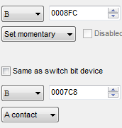
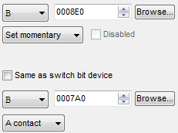
Add
Name change
TP | MAT -> WR | B8FB -> B8FC

PLC | D8511-D8248 | Change to K0 for no use auto break time check
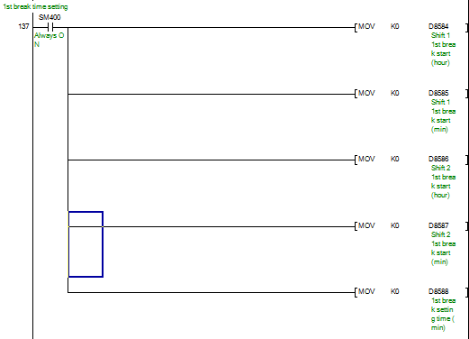
All change to 0 until 4th break time setting

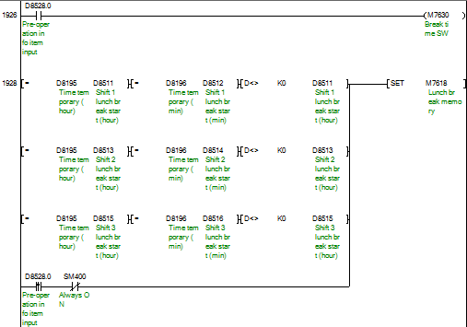
New
Add
 | New | M7630
 | M7618 | Add SM400

Add
 | M7629 | Add M7630

Change
Comment
change
 | Qap 102 e-mtl
 | D8274 | B7C4 -> B7C8
 |  | Comment change to M/C repair by staff

TP
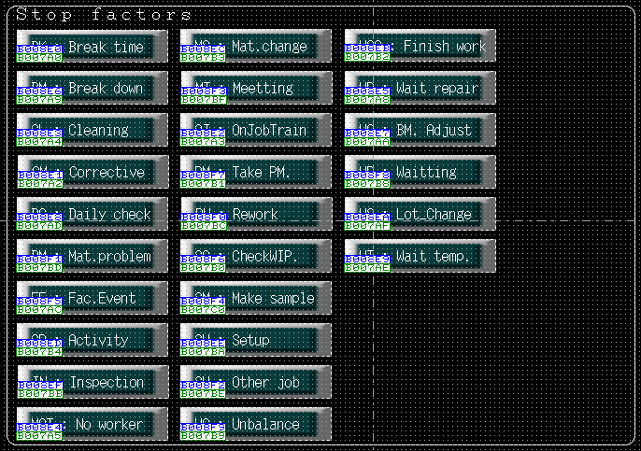
Degital Pro-face
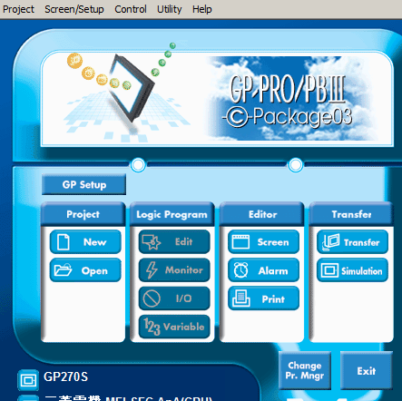
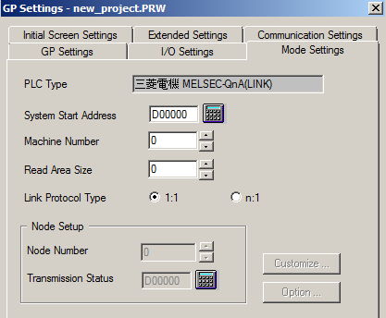

 |  |  |  | In case of this example
 |  |  |  | System Start Address = D0 = Current page No.
 |  |  |  | System Start Address +8 = D8 = Change page No.

Hakko

 |  |  |  |  | In case of this example
 |  |  |  |  | Read Area +2 = D2 = Current page No.
 |  |  |  |  | Write Area +2 = D52 = Change page No.

Keyence
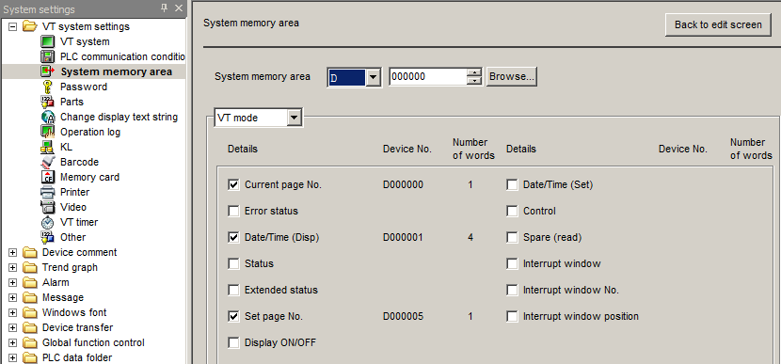

 |  |  |  |  | In case of this example
 |  |  |  |  | System memory area = D0 = Current page No.
 |  |  |  |  | System memory area +5 = D5 = Change page No.

Setting of Non-operation factor button
Making tooll "D-list" sheet cell J5:Q36 is device setting of non-operation factory button.
Please use "Operation" line for SW, "Monitor" line for lamp.
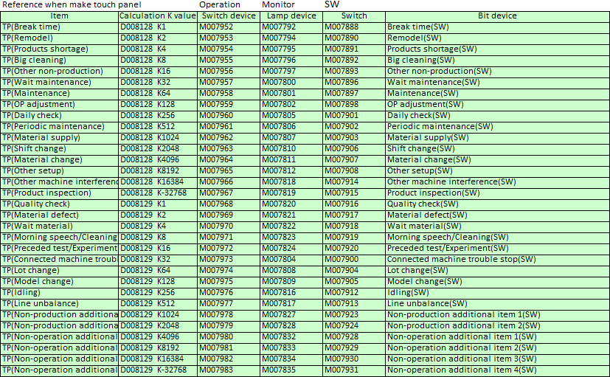
Non-production
Non-production
Non-operation
Non-operation

 |  |  |  |  |  | Daytime(1440)
 |  |  |  |  |  | Production time1260+non production time()
 |  |  |  |  |  | operation time() |  |  | non-operation()

Committee regulation
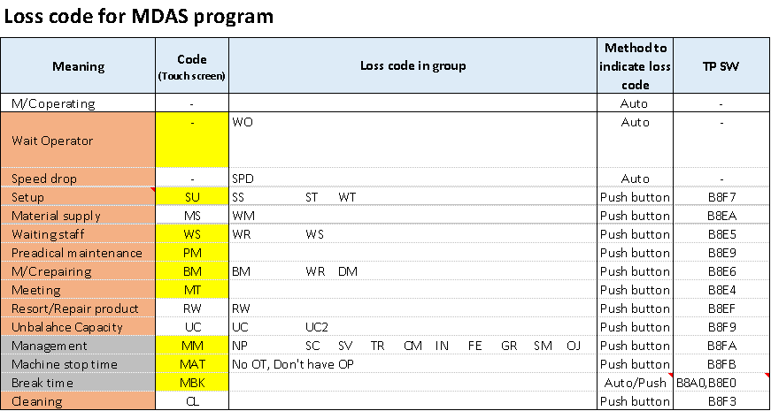

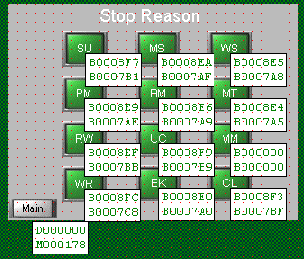
19-Dec-18 |  |  |  |  |  |  |  |  | For iama40-1
 |  |  |  |  |  | MDAS design via Keyence |  |  | MECSI design via Keyence Moba1
 |  | MDAS comment | JPN comment |  |  | switch bit | lamp bit |  | TP sw | PLC sw | lamp bit
 |  |  | WT |  |  |  |  |  |  | B | B |  | 0
 |  |  | BK | Machine stop time |  | 休止時間 |  |  | b8e0 | B08a0 | b7a0 | ok | 47328
 |  |  | CL | Big cleaning (SW) |  | 一斉掃除(SW) |  |  | b8e3 | B08A4 | B7a4 | ok | 47331
 |  |  | MT | Morning speech/cleaning (SW) |  | 朝礼/掃除(SW) |  |  | b8e4 | b8a5 | B7bf | ok | 47332
 |  |  | WS | Maintenance wait (SW) |  | 修理（保全）待ち(SW) |  |  | b8e5 | B08A8 | B7a8 | ok | 47333
 |  |  | WR | Maintenance (SW) |  | 保全修理(SW) |  |  | b8e6 | B08A9 | Ba79 | ok | 47334
 |  |  | BM | OP adjustment (SW) |  | OP調整(故障調整)(SW) |  |  | b8e7 | B08AA | B7aa | ok | 47335
 |  |  | PM | Parts change/Periodic check (SW) |  | 部品交/定期点/OH(SW) |  |  | b8e9 | B08AE | B7ae | ok | 47337
 |  |  | MS | Material supply (SW) |  | 材料供給/廃材処理(SW) |  |  | b8ea | B08AF | B7af | ok | 47338
 |  |  | RW | Product inspection (SW) |  | 製品検査(SW) |  |  | b8ef | B08BB | B7bb | ok | 47343
 |  |  | SU | Other setup (SW) |  | その他段取(SW) |  |  | b8f7 | b8b1 | b7b1 | ok | 47351
 |  |  | UC | Line unbalance (SW) |  | ﾗｲﾝ・ｱﾝﾊﾞﾗﾝｽ(SW) |  |  | b8f9 | B08B9 | B7b9 | ok | 47353
 |  |  | LC4 | Products shortage (SW) |  | 製品切れ(SW) |  | MM | b8fa | b8c3 | b7c3 | ok | 47354

9-Jan-19
 | BEFORE |  |  | AFTER

Sheet1
if | Operation management switch |  |  | B8A0

then |  |  |  | Dec | Hex
else | Operation management switch type |  |  |  |  | fill loss code

PUSH
 |  |  |  |  |  | English meaning happens

 |  |  |  | MDAS
1 | Code | Meaning | 日本意味 | switch | lamp | Nihon teiji arawareru
2 | bm/wr | Maintenance (SW) | 保全修理(SW)
3 | mt/bk | Machine stop time | 休止時間
4 | np | Products shortage (SW) | 製品切れ(SW) |  |  | push"start"
5 | su/daily | Other setup (SW) | その他段取(SW)
6 | dm | Quality check | 品質点検
7 | non operate | Machine no operate (Unknown) | 設備遊び時間（不明） |  |  | check "operation management switch device"
8 | ws | Maintenance wait (SW) | 修理（保全）待ち(SW)
9 | pm | OP adjustment (SW) | OP調整(故障調整)(SW)
10 |  |  |  |  |  | check "operation management switch type"
11
12
13 |  |  |  |  |  | calc switch bit
14
15
 |  |  |  |  |  | calc lamp bit

Confirm
 |  |  |  |  |  | Push"Confirm"

 |  |  |  |  |  |  | No
 |  |  |  |  |  | Confirm OK? |  | Clear "switch bit" & "Lamp bit"

 |  |  |  |  |  | OK

 |  |  |  |  |  | End

Parameter
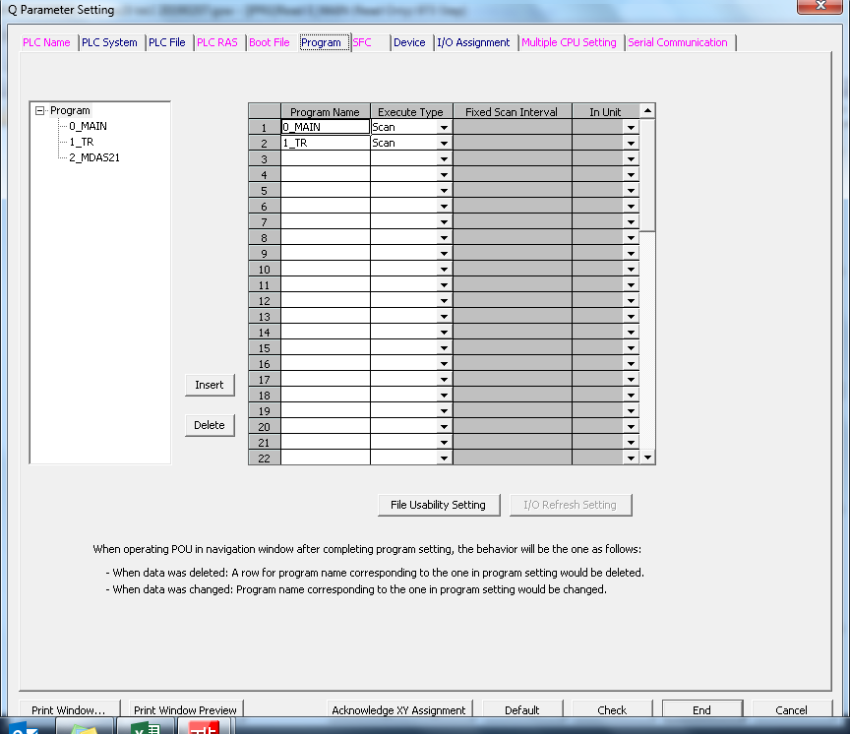


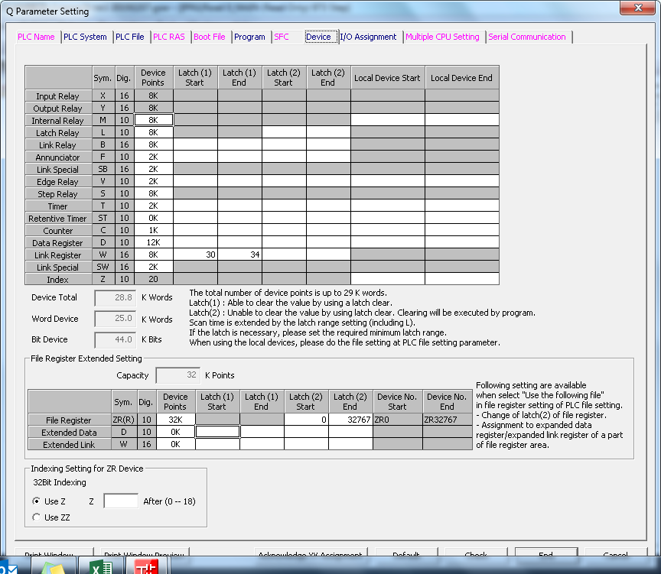
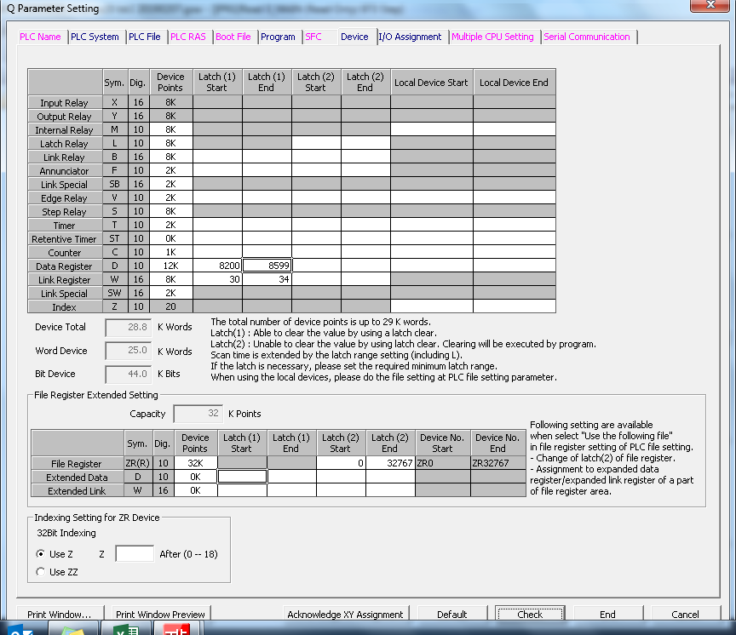

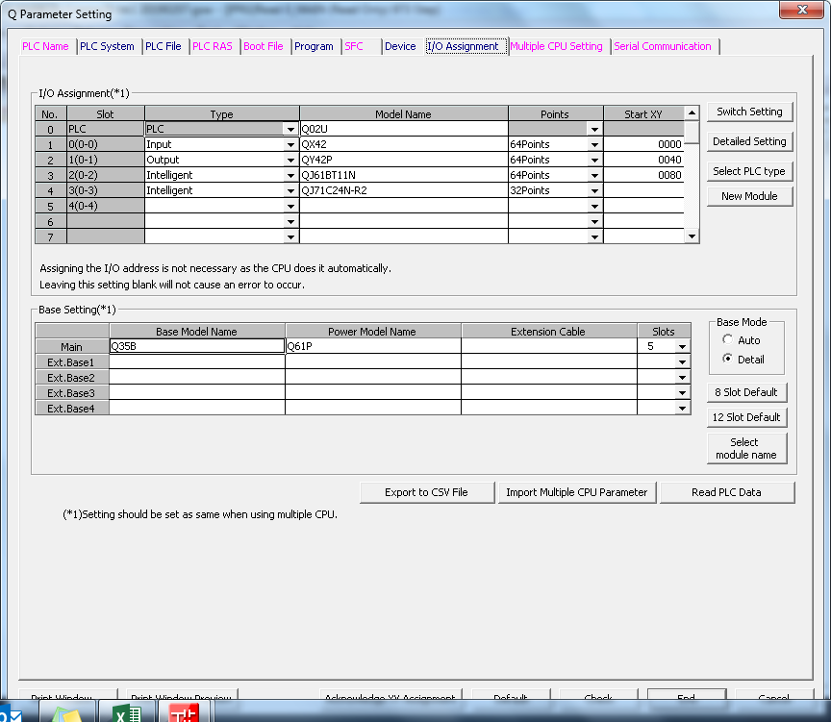
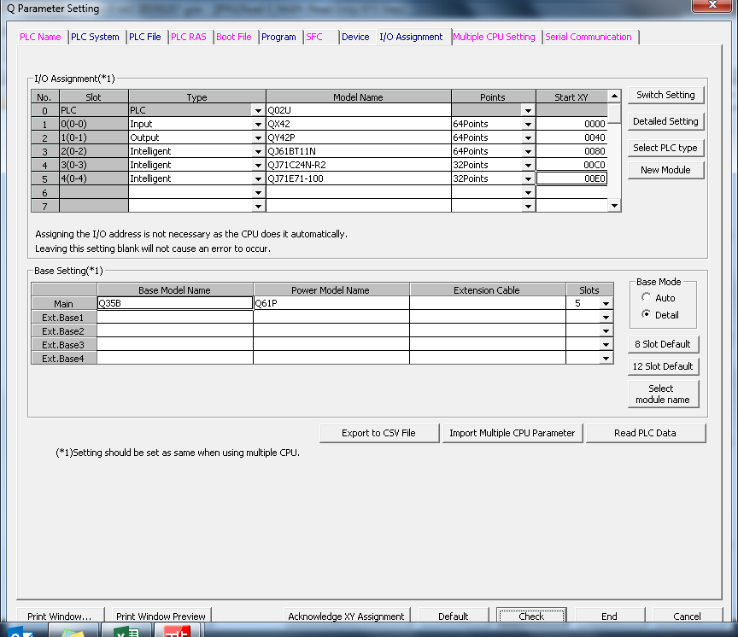

Ethernet
